Grafico Markov - MTTF
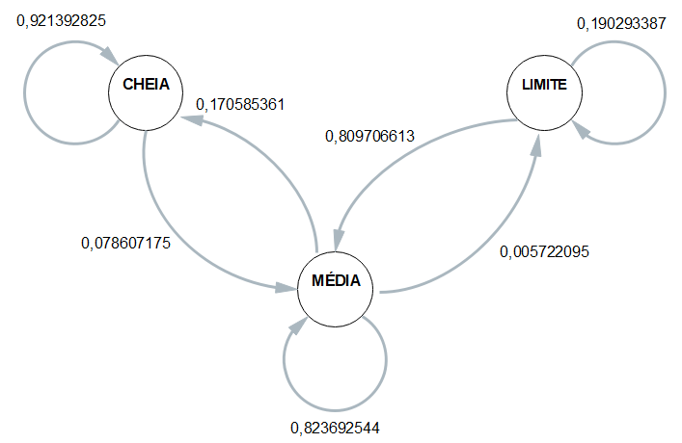
 | ESP1 | ESP2 | ESP3 | ESP4 | MÉDIA
CC | 0.93055555556 | 0.88888888889 | 0.91228070175 | 0.95384615385 | 0.92139282501
CM | 0.069444444444 | 0.11111111111 | 0.087719298246 | 0.046153846154 | 0.078607174989
CB | 0 | 0 | 0 | 0 | 0

MC | 0.19323144105 | 0.15477497256 | 0.13631522897 | 0.19801980198 | 0.17058536114
MM | 0.79912663755 | 0.8386388584 | 0.85942492013 | 0.79757975798 | 0.82369254351
MB | 0.0076419213974 | 0.006586169045 | 0.0042598509052 | 0.004400440044 | 0.0057220953479

BC | 0% | 0% | 0% | 0% | 0
BM | 70% | 82% | 87% | 85% | 0.80970661326
BB | 30% | 18% | 13% | 15% | 0.19029338674

 | Esp1 | Esp2 | Esp3 | Esp4 |  | média
Hora Inicial | 14:03:18 | 14:08:34 | 14:13:02 | 14:18:18 |  | 14:10:48
Hora Limite 2,8 | 15:17:19 | 15:21:32 | 15:27:39 | 15:31:21 | MTTF | 15:24:28
Hora Final | 15:23:46 | 15:28:08 | 15:34:06 | 15:39:54 |  | 15:31:29
total de horas até 2,8 | 1:14:01 | 1:12:58 | 1:14:37 | 1:13:03 | 1:13:40 | 1:13:40

